Cash balance
Cash Balance

Change in Exchequer Cash and Other Financial Assets:
End-December 2017 v End-December 2018

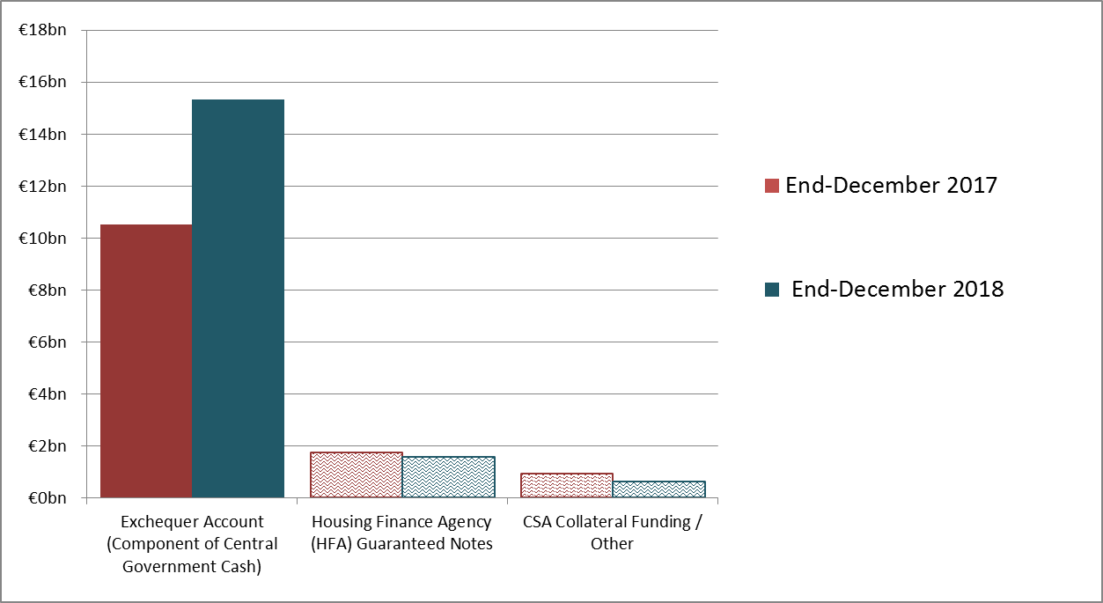

THIS INFORMATION IS ALSO AVAILABLE IN TABLE FORMAT
 | End-December 2017 | End-December 2018 | Change
Exchequer Cash and Other Liquid Short-term Investments¹ | €m | €m | €m
Exchequer Account | 10,533 | 15,338 | 4,805
Other Liquid Assets | - | - | -
Total Exchequer Cash and Other Liquid Short-term Investments² | 10,533 | 15,338 | 4,805

 | End-December 2017 | End-December 2018 | Change
Non-Liquid Assets³ | €m | €m | €m
Housing Finance Agency (HFA) Guaranteed Notes | 1,742 | 1,558 | -185
CSA Collateral Funding / Other | 942 | 697 | -245
Total Other (Non-Liquid) Financial Assets | 2,684 | 2,255 | -430

 | End-December 2017 | End-December 2018 | Change
 | €m | €m | €m
TOTAL EXCHEQUER CASH AND OTHER FINANCIAL ASSETS¹ | 13,217 | 17,593 | 4,376
NOTES & SOURCES
Rounding may affect totals. 2018 figures are unaudited.
1. Excludes Capital Services Redemption Account (CSRA).
2. Readily realisable Exchequer cash and other liquid short-term investments totalled €15.3bn at end-December 2018 and €10.5bn at end-December 2017.
3. These assets classes are deemed non-liquid as they are not readily realisable.

